Station coordinates
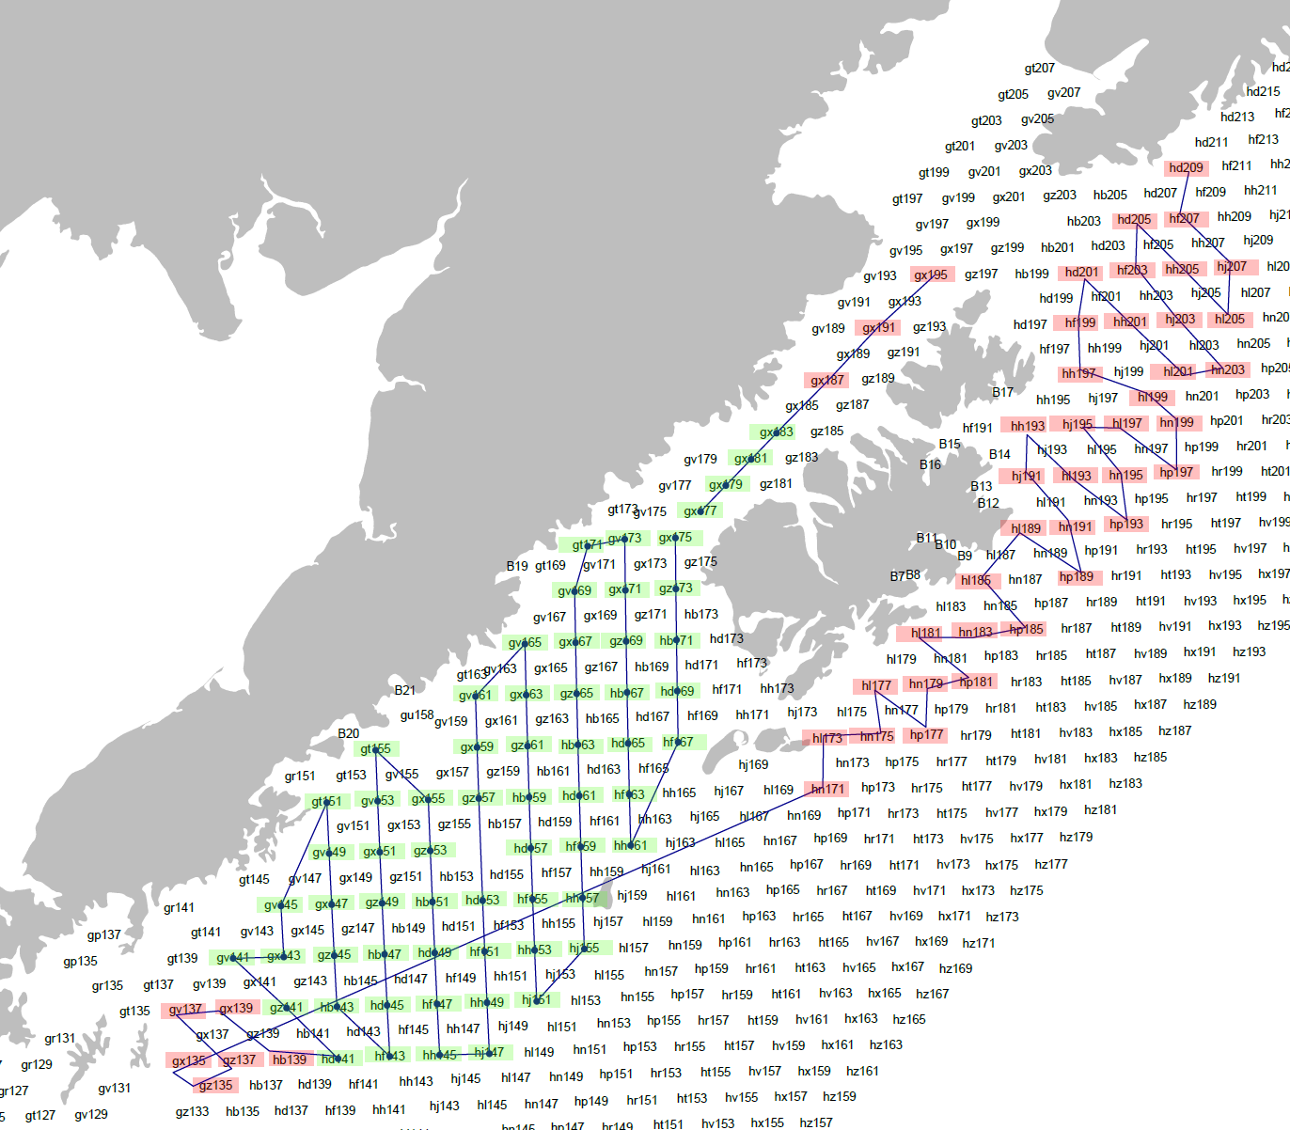
WO21-01 Station Path
Station | Station Number | Operation | DecLat | DecLong
Depart Homer |  |  | 59.6425 | -151.5483
hd209 | 1 | CTD (no bottles), 60/20bon | 59.197 | -150.678
hf207 | 2 | NEU, 60/20bon | 58.964 | -150.693
hj207 | 3 | NEU, 60/20bon | 58.735 | -150.288
hl205 | 4 | NEU, 60/20bon | 58.499 | -150.306
hh205 | 5 | NEU, 60/20bon | 58.729 | -150.712
hd205 | 6 | NEU, 60/20bon | 58.958 | -151.119
hf203 | 7 | NEU, 60/20bon | 58.723 | -151.137
hj203 | 8 | NEU, 60/20bon | 58.493 | -150.729
hn203 | 9 | NEU, 60/20bon | 58.263 | -150.323
hl201 | 10 | NEU, 60/20bon | 58.257 | -150.744
hh201 | 11 | NEU, 60/20bon | 58.487 | -151.152
hd201 | 12 | NEU, 60/20bon | 58.716 | -151.563
hf199 | 13 | 60/20bon | 58.481 | -151.577
hh197 | 14 | 60/20bon | 58.2449 | -151.59
hl199 | 15 | 60/20bon | 58.1363 | -150.9617
hn199 | 16 | 60/20bon | 58.022 | -150.758
hp197 | 17 | 60/20bon | 57.785 | -150.76
hl197 | 18 | 60/20bon | 58.015 | -151.179
hj195 | 19 | 60/20bon | 58.009 | -151.601
hn195 | 20 | 60/20bon | 57.78 | -151.19
hp193 | 21 | 60/20bon | 57.545 | -151.186
hl193 | 22 | 60/20bon | 57.773 | -151.611
hh193 | 23 | 60/20bon | 58.003 | -152.025
hj191 | 24 | 60/20bon | 57.767 | -152.033
hn191 | 25 | 60/20bon | 57.538 | -151.619
hp189 | 26 | 60/20bon | 57.304 | -151.611
hl189 | 27 | 60/20bon | 57.532 | -152.04
hl185 | 28 | 60/20bon | 57.29 | -152.466
hp185 | 29 | NEU, 60/20bon | 57.061 | -152.037
hn183 | 30 | NEU, 60/20bon | 57.054 | -152.469
hl181 | 31 | NEU, 60/20bon | 57.048 | -152.89
hp181 | 32 | NEU, 60/20bon | 56.816 | -152.463
hn179 | 33 | NEU, 60/20bon | 56.812 | -152.8894
hp177 | 34 | NEU, 60/20bon | 56.573 | -152.883
hl177 | 35 | NEU, 60/20bon | 56.806 | -153.31
hn175 | 36 | NEU, 60/20bon | 56.57 | -153.308
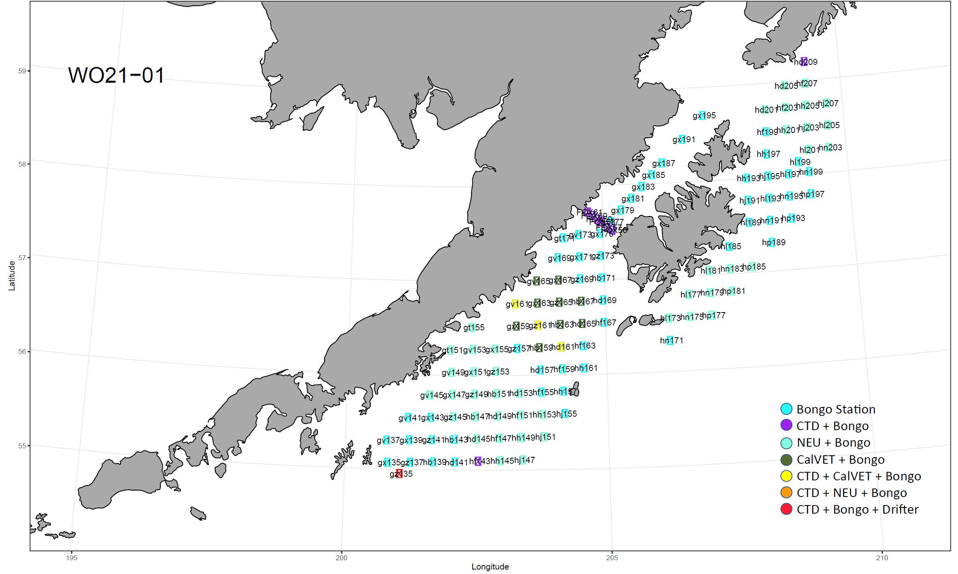
hl173 | 37 | NEU, 60/20bon | 56.564 | -153.728
hn171 | 38 | 60/20bon | 56.328 | -153.723
gx135 | 39 | 60/20bon | 55.069 | -159.158
gz135 | 40 | CTD, 60/20bon, drifter | 54.9544 | -158.9293
gz137 | 41 | 60/20bon | 55.0754 | -158.7291
gv137 | 42 | 60/20bon | 55.3049 | -159.1863
Stations and Ops
gx139 | 43 | 60/20bon | 55.311 | -158.756
hb139 | 44 | 60/20bon | 55.082 | -158.301
hd141 | 45 | 60/20bon | 55.083 | -157.889
gz141 | 46 | 60/20bon | 55.317 | -158.327
gv141 | 47 | 60/20bon | 55.547 | -158.782
gx143 | 48 | 60/20bon | 55.553 | -158.351
gv145 | 49 | NEU, 60/20bon | 55.789 | -158.375
gt151 | 50 | NEU, 60/20bon | 56.266 | -157.985
gv149 | 51 | NEU, 60/20bon | 56.031 | -157.965
gx147 | 52 | NEU, 60/20bon | 55.795 | -157.944
gz145 | 53 | NEU, 60/20bon | 55.559 | -157.922
hb143 | 54 | 60/20bon | 55.323 | -157.899
hf143 | 55 | CTD, 60/20bon | 55.094 | -157.45
hd145 | 56 | NEU, 60/20bon | 55.33 | -157.473
hb147 | 57 | NEU, 60/20bon | 55.565 | -157.494
gz149 | 58 | NEU, 60/20bon | 55.801 | -157.515
gx151 | 59 | NEU, 60/20bon | 56.037 | -157.535
gv153 | 60 | NEU, 60/20bon | 56.273 | -157.553
gt155 | 61 | NEU, 60/20bon | 56.508 | -157.57
gx155 | 62 | NEU, 60/20bon | 56.279 | -157.122
gz153 | 63 | NEU, 60/20bon | 56.043 | -157.105
hb151 | 64 | NEU, 60/20bon | 55.807 | -157.087
hd149 | 65 | NEU, 60/20bon | 55.572 | -157.068
hf147 | 66 | NEU, 60/20bon | 55.336 | -157.047
hh145 | 67 | NEU, 60/20bon | 55.1 | -157.026
hj147 | 68 | NEU, 60/20bon | 55.1062 | -156.603
hh149 | 69 | NEU, 60/20bon | 55.342 | -156.623
hf151 | 70 | NEU, 60/20bon | 55.578 | -156.642
hd153 | 71 | NEU, 60/20bon | 55.813 | -156.661
gz157 | 72 | 60/20bon | 56.285 | -156.693
gx159 | 73 | 60/20bon, CALVET | 56.521 | -156.708
gv161 | 74 | CTD, 60/20bon, CALVET | 56.756 | -156.721
gv165 | 75 | 60/20bon, CALVET | 56.998 | -156.301
gx163 | 76 | 60/20bon, CALVET | 56.763 | -156.29
gz161 | 77 | CTD, 60/20bon, CALVET | 56.527 | -156.278
hb159 | 78 | 60/20bon, CALVET | 56.291 | -156.265
hd157 | 79 | 60/20bon | 56.055 | -156.251
hf155 | 80 | 60/20bon | 55.82 | -156.235
hh153 | 81 | NEU, 60/20bon | 55.584 | -156.218
hj151 | 82 | NEU, 60/20bon | 55.3481 | -156.2004
hj155 | 83 | 60/20bon | 55.59 | -155.795
hh157 | 84 | 60/20bon | 55.826 | -155.811
hf159 | 85 | 60/20bon | 56.062 | -155.825
hd161 | 86 | CTD, 60/20bon, CALVET | 56.297 | -155.838
hb163 | 87 | 60/20bon, CALVET | 56.533 | -155.85
gz165 | 88 | 60/20bon, CALVET | 56.769 | -155.861
gx167 | 89 | 60/20bon, CALVET | 57.004 | -155.87
gv169 | 90 | 60/20bon | 57.24 | -155.878
gt171 | 91 | 60/20bon | 57.45 | -155.767
gv173 | 92 | 60/20bon | 57.482 | -155.452
gx171 | 93 | 60/20bon | 57.246 | -155.447
gz169 | 94 | 60/20bon | 57.011 | -155.44
hb167 | 95 | 60/20bon, CALVET | 56.775 | -155.432
hd165 | 96 | 60/20bon, CALVET | 56.539 | -155.423
hf163 | 97 | 60/20bon | 56.303 | -155.413
hh161 | 98 | 60/20bon | 56.068 | -155.401
hf167 | 99 | 60/20bon | 56.545 | -154.998
hd169 | 100 | 60/20bon | 56.781 | -155.005
hb171 | 101 | 60/20bon | 57.017 | -155.012
gz173 | 102 | 60/20bon | 57.2526 | -155.0173
gx175 | 103 | 60/20bon | 57.488 | -155.021
FOX56 | 104 | CTD, 60/20bon | 57.52 | -154.78
FOX57 | 105 | CTD, 60/20bon | 57.55 | -154.88
FOX58 | 106 | CTD, 60/20bon | 57.61 | -155.01
FOX59 | 107 | CTD, 60/20bon | 57.64 | -155.07
FOX60 | 108 | CTD, 60/20bon | 57.68 | -155.17
FOX61 | 109 | CTD, 60/20bon | 57.72 | -155.26
gx177 | 110 | 60/20bon | 57.6093 | -154.8073
gx179 | 111 | 60/20bon | 57.73 | -154.593
gx181 | 112 | 60/20bon | 57.8512 | -154.3773
gx183 | 113 | 60/20bon | 57.972 | -154.161
gx185 | 114 | 60/20bon | 58.0931 | -153.9444
gx187 | 115 | 60/20bon | 58.2141 | -153.7269
gx191 | 116 | 60/20bon | 58.456 | -153.2895
gx195 | 117 | 60/20bon | 58.6979 | -152.8492
Arrive Homer |  |  | 59.6425 | -151.5483

